Rev01
Quantum Energy Limited |  | PRE DISPATCH INSPECTION REPORT FOR 60V_45AH |  | Document No: | QC/CL/25
 |  |  |  | Rev No & Date: | 01 & 18.08.2025
 |  |  |  | Page No: | 1 of 1
Model : |  | Part Name : | Part Number |  | PDI Date:
BP serial Number |  |  | BP PRD Date: |  | Shift:
BMS Serial Number |  |  | IoT Serial Number
Bluetooth Number
VISUAL INSPECTION CHARACTERISTICS
TAC NO :
Laser Marking Dirction Opposite Side of PRV:
Month & Year :
Battery Number middle Month Code :
Bar Code Scan Status :
1 | 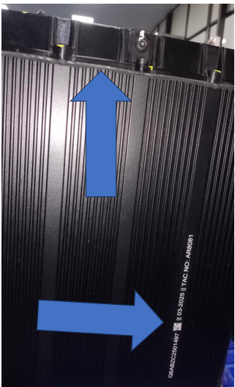  Laser marking & on Encloser
EOL/CDC Sticker
Caution Sticker 60V45Ah
Bluetooth Sticker
Chogori /Gaskat condition no tear,no damaged )
FQC Passed Sticker
Battery Sticker
Fitment of Screw & PRV (Torque)
Air Leak Test Value in 1.5nm <50Pa
2 | 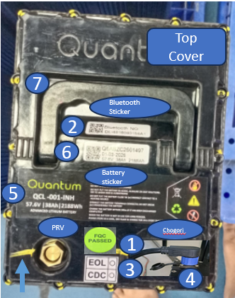 Presence of EOL& BP Number & BLE Number on Top cover,Fitment of Screws & PRV,Battery connector Fitment & Orientation, Extrusion Gasket / Battery connector Gasket PRV gasket fitment
FUNCTIONAL TESTING CHARACTERISTICS |  |  | EOL TESTING CHARACTERISTICS
1 | Battery Pack SW & HW versions | SW: 200325-QTM-XB0 HW: H2.0_103R_309F | Open circuit voltage(v) | 54-65v
2 | Firmware Index Number | KMSV_2.6.LWH | Over charge protection Current (A) | 1-17.5A
3 | Battery pack voltage | 57.6 V ±1.5v | Discharge Over current Protection(A) | 48-53A
4 | Battery pack SOC | 40 ± 10% | Short Circuit Protection Time | 1-500ms
5 | Cell DV | < 200 mv | Test End Voltage | 54-65v
6 | Cell DT | <10 °C | Battery Pack Weight | 24kg ±1kg
7 | NTC's count | 4 no's | Dimension LWH mm | 230*180*352 mm
8 | BMS Temperature Readings | 28 ± 2
9 | RTC
10 | Charge & Discharge MOSFET Condition when key on
11 | Dis-High Temp -L1 | 55°c | Dis -High Temp -L2 | 60°c
12 | Charge High Temp-L1 | 45°c | Charge High Temp-L2 | 50°c
13 | Single Over Volt -L1 | 3550mv | Single over Volt -L2 | 3600mv
14 | Total Pack Volt -L1 | 63.9v | Total Pack Volt -L2 | 64.8v
15 | Single under Volt -L1 | 2600mv | Single under Volt -L2 | 2500mv
16 | Total under Volt-L1 | 48v | Total under Volt-L2 | 45v
17 | Charging over current -L1 | 26A | Charging over current -L2 | 27A
18 | DIS-Over current -L1 | 55A | DIS-Over current -L2 | 60A
19 | Charging Low Temp -L1 | 5°C | Charging Low Temp -L2 | 0°C
20 | Accelerated SC | ON | CDC TESTING CHARACTERISTICS
21 | No of cycles | >= 1 | Battery pack voltage | 57.6 V ±1.5v
22 | Alarm History | Critical alarm's | Battery pack SOC | 40 ± 10%
23 | Balance sleep time | 3600 S | Upper Cut off | 64.8v
24 | Self Consumption | 60 mA | Lower Cut off | 45.0v
25 | Key Logic | Discharge | Capacity | >=44
26 |  |  | Energy KWH | 2.592kwh
27 |  |  | Max Cell Voltage | Actual Value
28 |  |  | Min Cell Voltage | Actual Value
Remarks: |  | Inspection Status | Inspected By | Verified By

